UCI Stat area maps
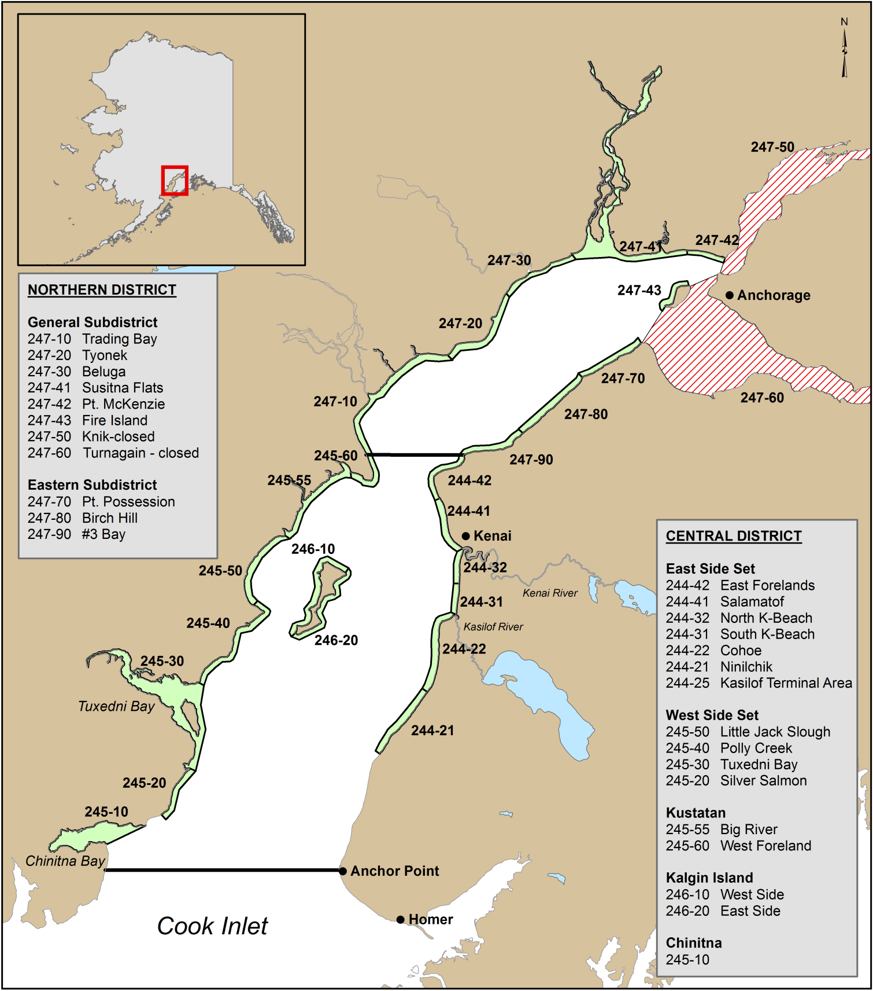
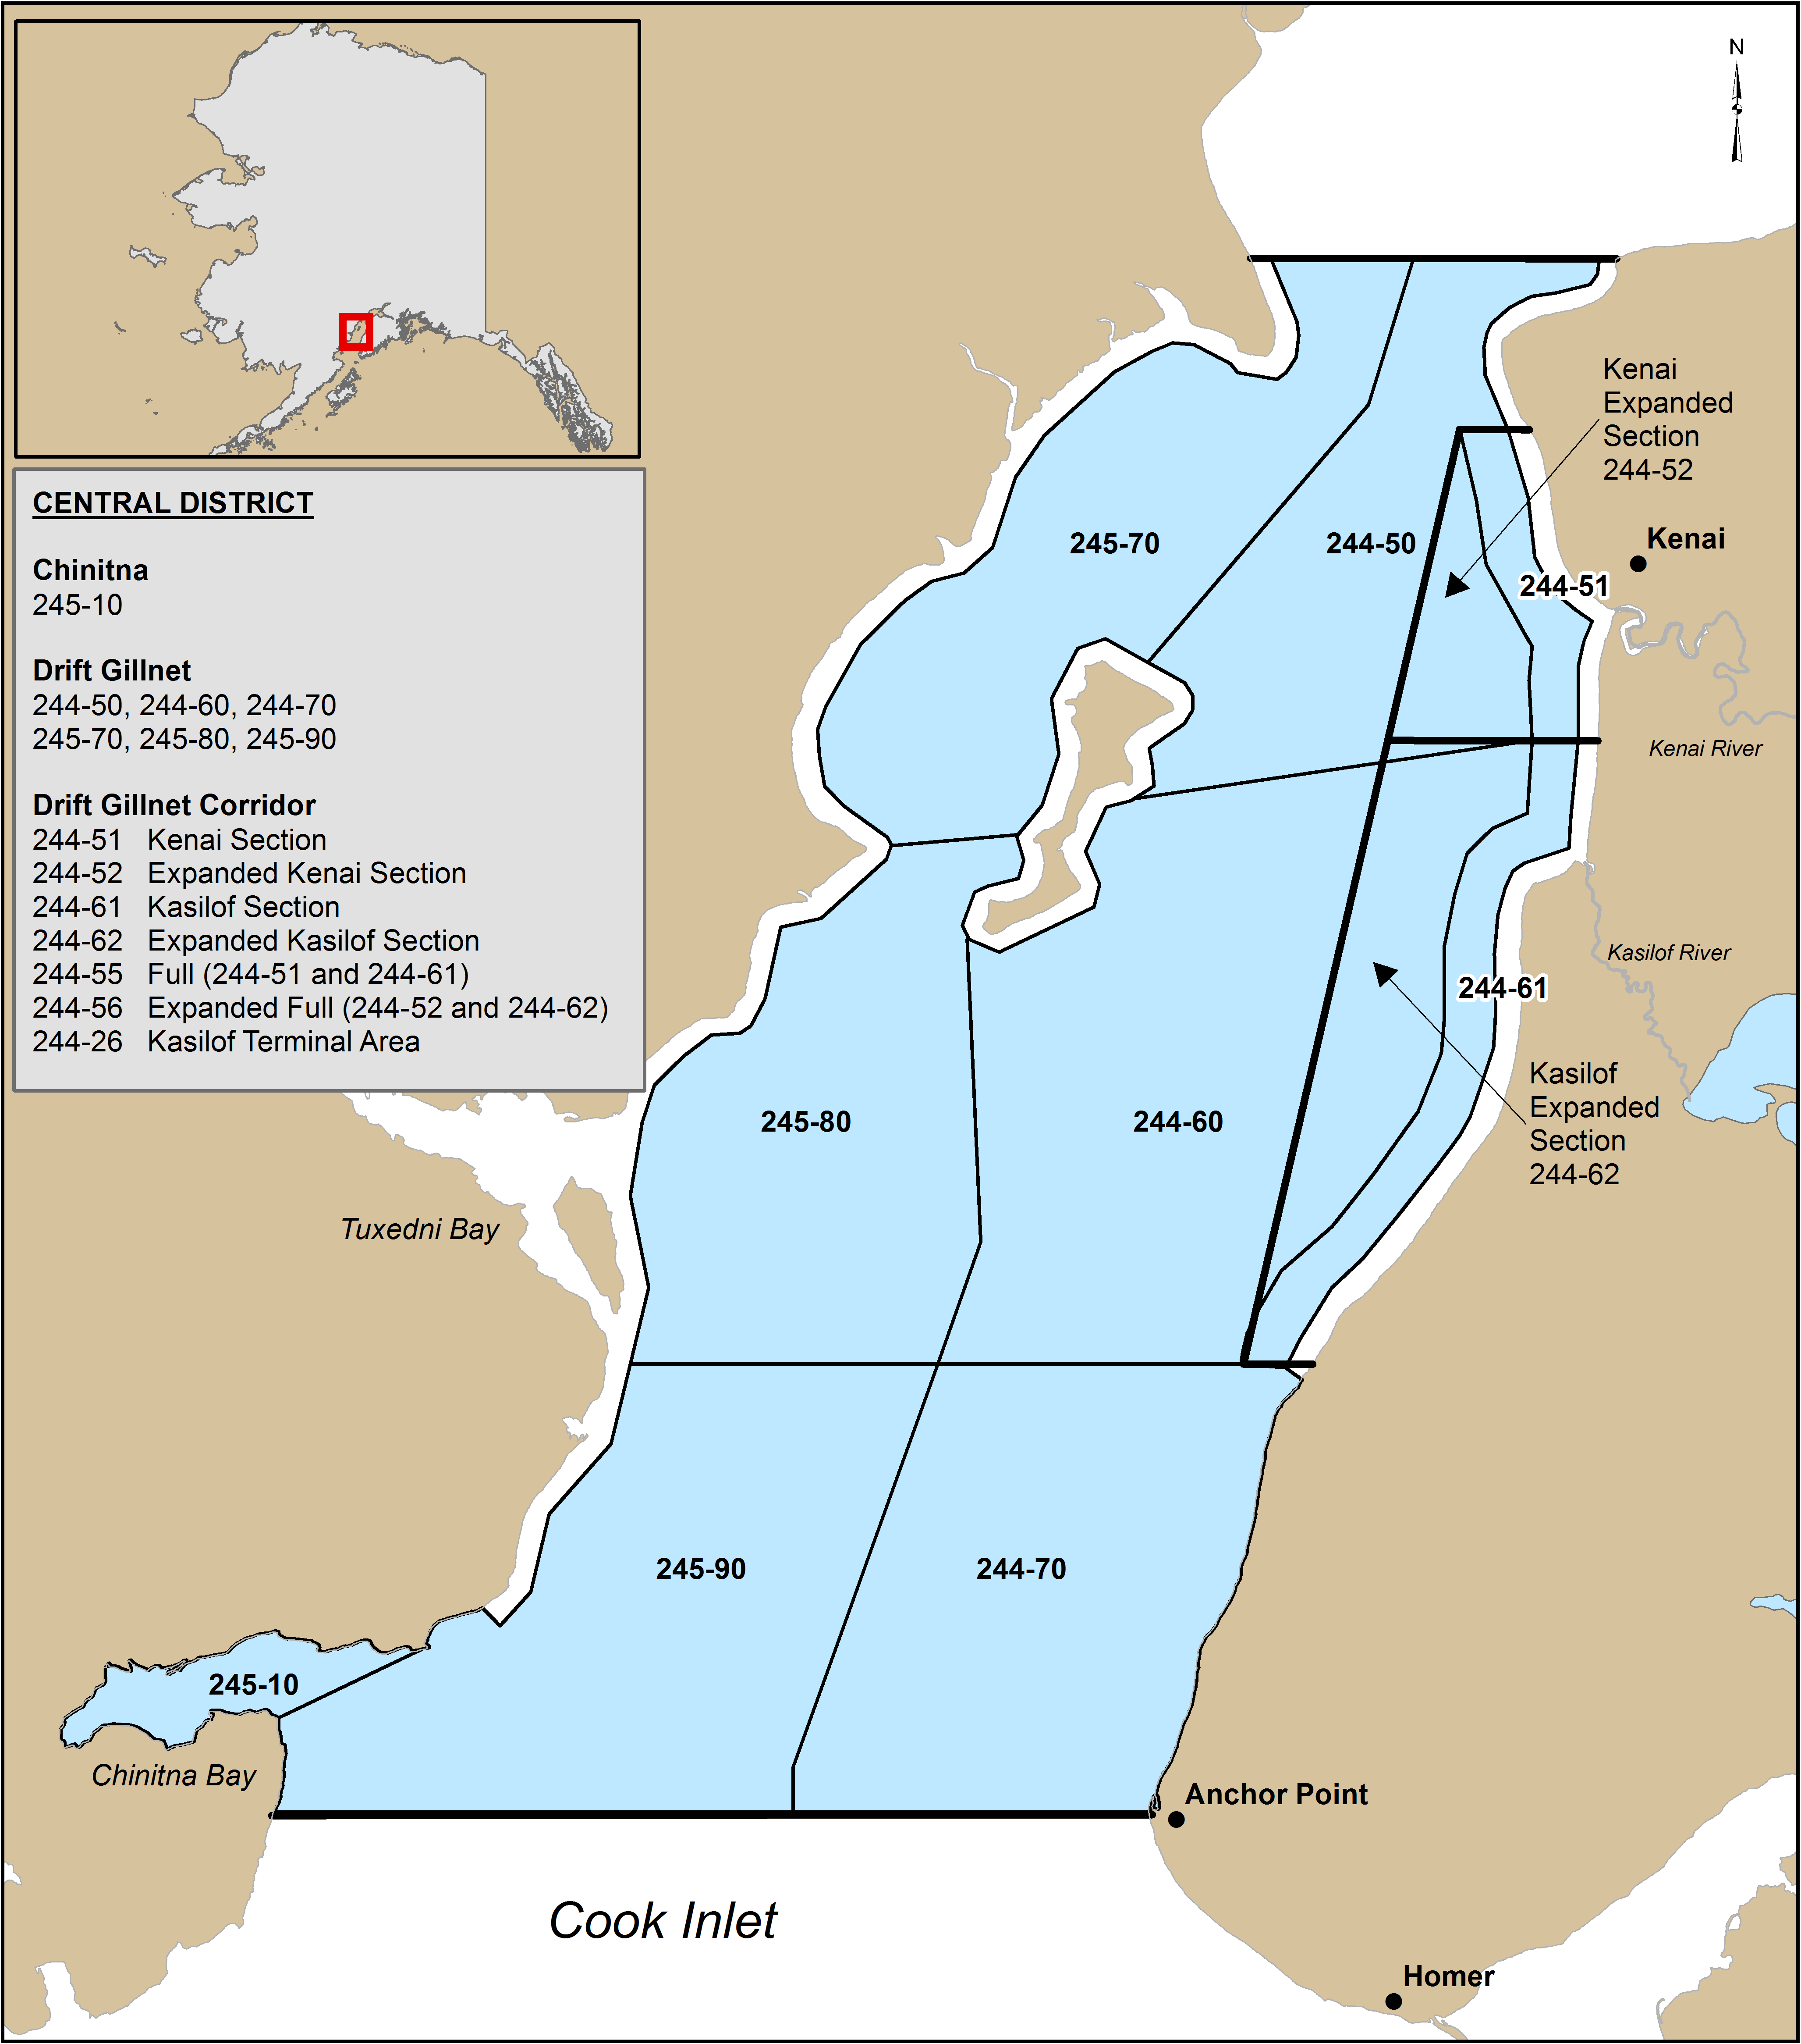
Set gillnet Areas | Drift gillnet areas

